Project Overview
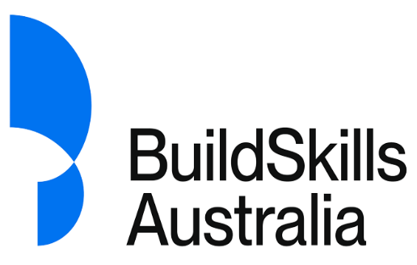
Project Title: | FWFW14-25 Formwork Falsework Training Product Review Project
Training Package: | CPC – Construction, Plumbing and Services Training Package
Project Website Link: | https://buildskills.com.au/training/formwork-falsework-training-product-review
The information contained in this document was captured during the following |  |  |  | highlighted | project stages:

 | Development | Broad Consultation | Consensus Gathering | Finalisation | Senior Responsible Officer Check

Consultation Summary | This section provides a high-level summary of all feedback received, including any issues raised by stakeholders during this project, and the actions taken by BuildSkills Australia.
Consultation Log | This section provides a list of all feedback received throughout the project, and the actions taken by BuildSkills Australia.
Technical Committee | This section provides information about members of the Technical Committee for this project.
Engagement Activities | This section provides a list of key engagement activities that have taken place during the project.
Stakeholders contacted | This section provides a list of all stakeholders who were contacted by BuildSkills Australia to inform them of the project and encourage their input.

Dispute Resolution
Dispute resolution process (if relevant)

Instructions
Provide details of the outcomes of a dispute resolution process

Organisation | Industry | Stakeholder Type | Issue and why it ended up in a dispute | Steps taken to resolve the dispute | Dispute Resolution Outcome | Impact on learner and employment outcomes

