instructions
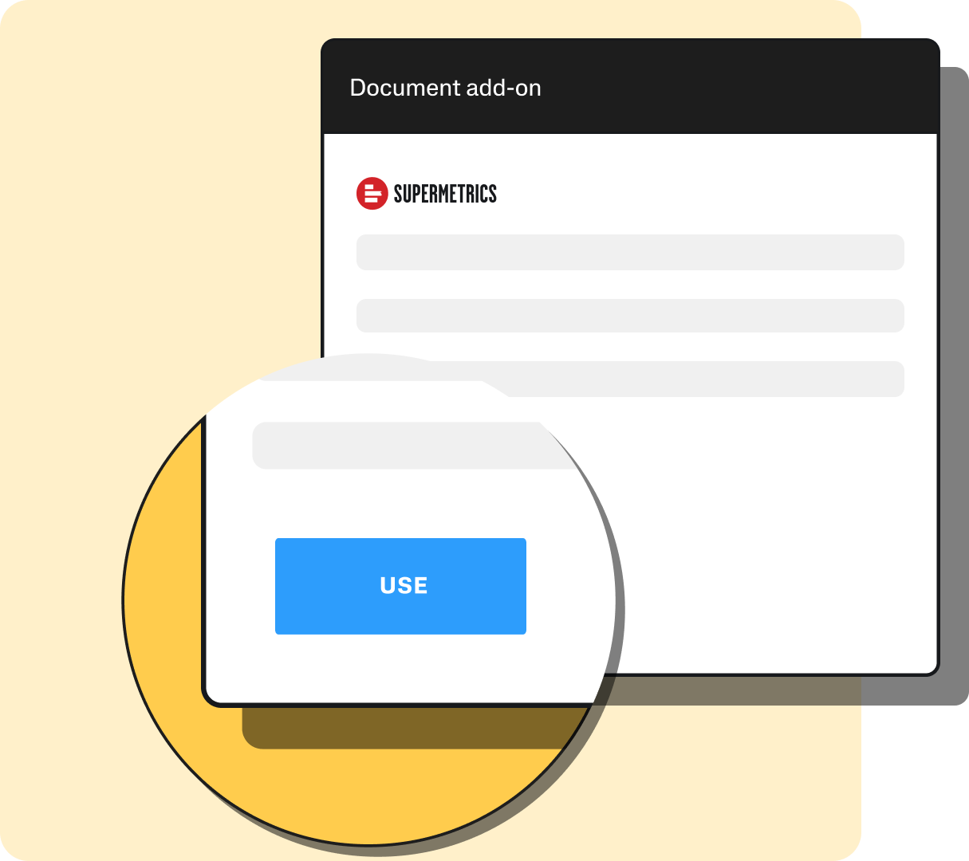
How to use this template

1. If you already have Supermetrics installed, you can move on to the next step. Otherwise, follow these instructions to install it.

2. Navigate to the “Data” tab in the top panel and choose "Show Supermetrics" at the right end of the panel.
3. Authenticate to all data sources in the list and select the accounts you want to use, then click "Run queries".
4. After queries have been successfully run, close the Supermetrics sidebar.

5. Under "Data" in the top panel, click "Refresh All" to refresh all pivot tables and charts in the document. In the pivot table settings, this can be set-up to be automatic when the file is opened.

6. Schedule an automatic refresh to always derive fresh insights.
5. The dashboard tab is referencing data from other tabs. These tabs should not be edited accidentally.

How to edit this template | Formulas used

1. Use the 'documentation' tab to understand how each tab relates to each other. | Learn more about the formulas used for calculations in this report:
2. The raw data pulled via Supermetrics can be found in the tabs that start with 'Query'. Each of those tabs contain 1 query. | 👉 NAMED RANGES | 👉 UNIQUE
3. To edit the queries, open the Supermetrics sidebar by going to 'Data' > 'Show Supermetrics' | 👉 OFFSET | 👉 SUMIFS
4. Go to the sheet with the query you want to edit. Click on any of the cells with the heading in light blue, the corresponding query will be shown in the sidebar, click 'Modify'. | 👉 COUNTA
 | 👉 XLOOKUP
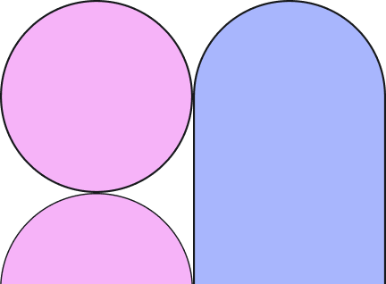
5. Only add new metrics after the existing ones, otherwise you will need to re-do all the references on the 'dashboard' tab. | 👉 IF
6. When needing more dimensions, we recommend to create a new query if possible. Otherwise you will need to re-do all the formula references.

dashboard
Supermetrics tip ➜ Instructions tab
Microsoft Ads vs Google Ads performance - Last 30 days

8 938,0
Google Ads cost
8 167,5
Microsoft Ads cost
60,59
Google Ads CPM
6,68
Microsoft Ads CPM
3,30
Microsoft Ads ROAS
2,99
Google Ads ROAS

Spend by category (ignores filters)
 | Google Ads Cost | Microsoft Ads Cost
Search | 0 | 0
Performance Max | 0 | 0
Display & Video | 0 | 0
Shopping | 0 | 0
Dynamic Search | 0 | 0
Other | 0 | 0
 | 0 | 0
 | 0 | 0
 | 0 | 0
Clicks and CPC per channel
 | Clicks | CPC
Google Ads | 7093 | 1.26
Microsoft Ads | 8721 | 0.94

Impressions per channel
 | Total
Google Ads | 147507
Microsoft Ads | 1223553
Spend per channel
 | Total
Google Ads | 8938
Microsoft Ads | 8167.51
Conversions
 | Total
Google Ads | 9272
Microsoft Ads | 3373
Revenue
 | Total
Google Ads | 26689.94
Microsoft Ads | 26990.31

Top URLs by Impressions
 | Google Ads | Microsoft Ads
https://aquametrics.org/ | 31132 | 364134
https://aquametrics.org/donation-options/recurring-donations | 5872 | 339015
https://aquametrics.org/the-ripple-effect |  | 254980
https://aquametrics.org/action-in-your-hands | 17293 | 95312
https://aquametrics.org/beyond-borders | 10559 | 61203
https://aquametrics.org/donation-options/one-time-contributions | 8502 | 57814
https://aquametrics.org/about-us | 5989 | 27511
https://aquametrics.org/privacy-legal | 3052 | 22969
https://aquametrics.org/reasons-to-donate | 23723 | 166
https://aquametrics.org/legacy-of-change | 20554 | 449
Top URLs by ROAS
 | Total
https://aquametrics.org/about-us | 4.18
https://aquametrics.org/donation-options/one-time-contributions | 4.00
https://aquametrics.org/reasons-to-donate | 3.45
https://aquametrics.org/privacy-legal | 3.40
https://aquametrics.org/donation-options/recurring-donations | 3.29
https://aquametrics.org/action-in-your-hands | 3.24
https://aquametrics.org/ | 3.16
https://aquametrics.org/beyond-borders | 2.93
https://aquametrics.org/the-ripple-effect | 2.92
https://aquametrics.org/legacy-of-change | 2.77
10 URLs with the least CPA
 | Total
https://aquametrics.org/donation-options/one-time-contributions | 2.0
https://aquametrics.org/the-ripple-effect | 2.1
https://aquametrics.org/donation-options/recurring-donations | 2.1
https://aquametrics.org/about-us | 2.2
https://aquametrics.org/privacy-legal | 2.4
https://aquametrics.org/beyond-borders | 3.6
https://aquametrics.org/legacy-of-change | 3.7
https://aquametrics.org/ | 11.0
https://aquametrics.org/reasons-to-donate | 14.1
https://aquametrics.org/causes | 75.0

Performance per final URLs

 | Column Labels
 | Google Ads |  |  |  |  |  | Microsoft Ads
Row Labels | Cost | Clicks | Conversions | CPA | Revenue | ROAS | Cost | Clicks | Conversions | CPA | Revenue | ROAS
https://aquametrics.org/ | 2806.7 | 2475 | 44 | 63.8 | 9494.0 | 3.38 | 1220.4 | 921 | 322 | 3.8 | 3249.2 | 2.66
https://aquametrics.org/donation-options/recurring-donations | 567.4 | 405 | 111 | 5.1 | 1939.1 | 3.42 | 2051.8 | 1991 | 1113 | 1.8 | 6690.1 | 3.26
https://aquametrics.org/action-in-your-hands | 1027.6 | 1724 | 8605 | 0.1 | 2096.1 | 2.04 | 1459.4 | 1213 | 237 | 6.2 | 5974.0 | 4.09
https://aquametrics.org/causes | 1500.0 | 593 | 20 | 75.0 | 2500.0 | 1.67 | 0.0 | 0 | 0 |  | 0.0
https://aquametrics.org/reasons-to-donate | 1378.1 | 747 | 98 | 14.1 | 4754.2 | 3.45 | 0.0 | 0 | 0 |  | 0.0
https://aquametrics.org/donation-options/one-time-contributions | 366.2 | 357 | 55 | 6.7 | 1610.8 | 4.40 | 803.7 | 1592 | 520 | 1.5 | 3072.3 | 3.82
https://aquametrics.org/the-ripple-effect | 0.0 | 0 | 0 |  | 0.0 |  | 1114.9 | 1254 | 542 | 2.1 | 3257.6 | 2.92
https://aquametrics.org/privacy-legal | 318.4 | 160 | 130 | 2.4 | 1559.4 | 4.90 | 728.3 | 784 | 299 | 2.4 | 2004.3 | 2.75
https://aquametrics.org/beyond-borders | 315.7 | 233 | 53 | 6.0 | 860.0 | 2.72 | 576.0 | 787 | 197 | 2.9 | 1755.7 | 3.05
https://aquametrics.org/legacy-of-change | 549.8 | 340 | 150 | 3.7 | 1522.2 | 2.77 | 0.0 | 0 | 0 |  | 0.0
https://aquametrics.org/about-us | 108.0 | 59 | 6 | 18.0 | 354.3 | 3.28 | 213.0 | 179 | 143 | 1.5 | 987.1 | 4.63

documentation
Documentation

To keep the report dynamic as data grows, named ranges are used in combination with the `OFFSET` and `COUNTA` functions. Because of this, all formulas that reference named ranges dynamically adjust to the size of the data.

 | Headings with cells in this color indicate a Supermetrics query is located in these columns
 | Headings with cells in this color indicate formulas in the column or cell

Here's a flowchart showing how the sheets are connected with each other. Unhide the sheets to see all.

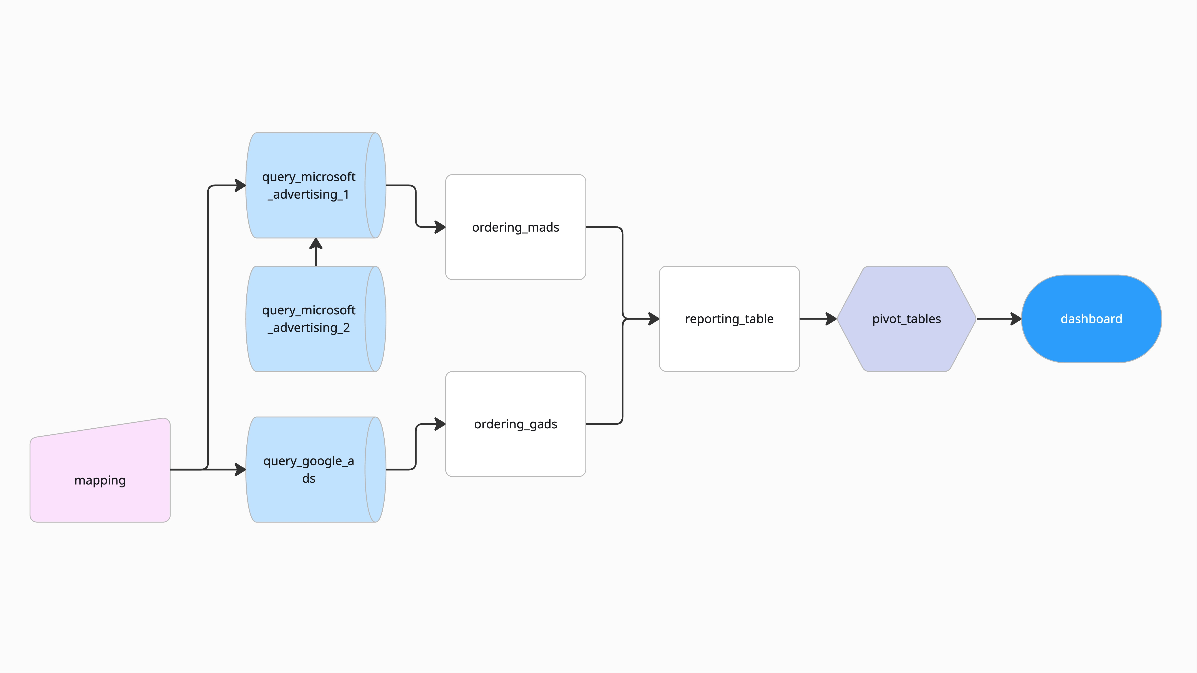

Union prep

Union

Union prep

