How to use the matrix
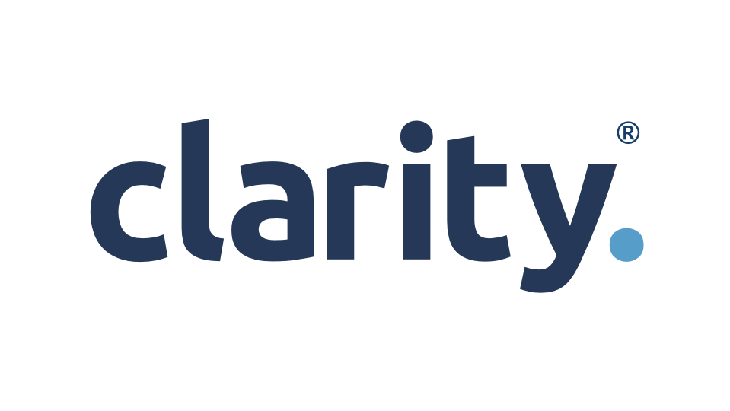


Clarity's Client Grading Matrix App

This rading matrix app is a free resource and an integral part of the Clarity Grading Matrix helpsheet. You can down load the helpsheet here:-
Clarity Grading Matrix

How to use the client grading matrix app

Rank your clients on the 6 questions from 1-5
1 | Strongly disagree
2 | Disagree
3 | Neutral
4 | Agree
5 | Strongly agree

The results
A Client | 24 and above
B Client | 20 and above
C Client | 15 and above
D Client | 10 and above
E Client | Below 10

What do the results mean?
A Client | This is your ideal client. You have a strong relationship and enjoy working with them. They pay on time and are maximising your services and paying a good fee. They may or may not have a specific turnover. These clients are your best starting place for introducing Clarity and advisory services.

B Client | Love but not availing of all services. Like working with them, potential to grow the services we provide with them.

C Client | Possibly a smaller client that is happy using the services they want and ticking along without too much hassle. They could go either way to become a B client or a D client. The topic of advisory services has probably not come up before but there is potential in the business to grow.

D Client | Prepared to act for but unlikely to move beyond current scope. Decision to be made whether to upgrade or get rid of.

E Client | Difficult or unprofitable client. Can be a distraction and time sponge from more profitable work. Unlikely to refer work in. Few benefits of holding on to client work. Consider removing

Agreed Grade
It is possible that the client grading matrix might tell you one thing, but you know when you think about it that the client should be a different grade.
For example, if you don't want to work with client or never listens/acts then may be a D despite the matrix grading them a B
Column I is a protected column and you cannot change the grade. Column J is where you override the grade.

About Clarity
