Line details
Rapidos 9m production lines |  | 2018-08-18

LIN-10-200-41
Name | No. | Sewn | CUT
KR1 | 2 | 1980 | 1890
Mark at: 1780

10 mui 1.8cm
Rapidos 9m production lines |  | 2018-08-18

LIN-6843-160-05
Name | No. | Sewn | Cut
BR4 | 2 | 1980 | 2075

6843-160 Green
Name | No. | Sewn | Cut
CR1-3 | 6 | 2100 | 2195

LIN-6843-200-05
Name | No. | Sewn | Cut
BR1-3 | 6 | 2085 | 2180

LIN-6843-240-18
Name | No. | Sewn | Cut
AR1-3 | 6 | 2100 | 2195

Rapidos 9m production lines |  | 2018-08-18
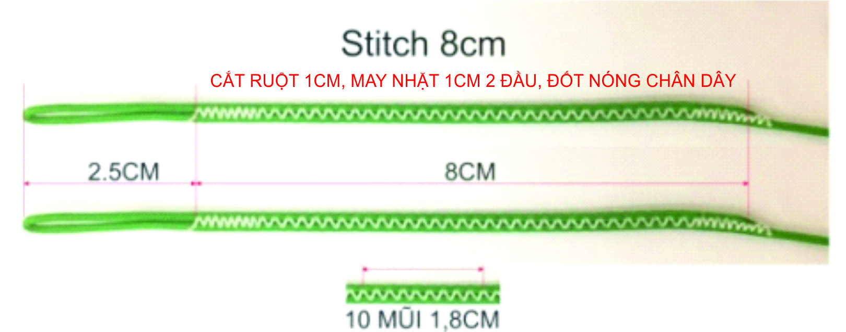

LIN-DSL-70-BLUE
Name | No. | Sewn | Cut
B12 | 2 | 261 | 321
B11 | 2 | 267 | 327
B10 | 2 | 290 | 350
B7 | 2 | 315 | 375
B6 | 2 | 317 | 377
B9 | 2 | 319 | 379
B3 | 2 | 344 | 404
B8 | 2 | 348 | 408
B5 | 2 | 349 | 409
B2 | 2 | 361 | 421
B4 | 2 | 362 | 422
B1 | 2 | 413 | 473
A14 | 2 | 942 | 1002
B13 | 2 | 1003 | 1063
 |  |  |  | LIN-10-200-41 |  |  | M | 0.2424 | EURO
LIN-DSL-70-GREN |  |  |  | LIN-6843-160-05 |  |  | M | 0.1528 | EURO
Name | No. | Sewn | Cut | LIN-6843-160-6 |  |  | M | 0.1528 | EURO
C12 | 2 | 302 | 362 | LIN-6843-200-05 |  |  | M | 0.2064 | EURO
C11 | 2 | 315 | 375 | LIN-6843-240-18 |  |  | M | 0.2064 | EURO
C10 | 2 | 345 | 405 | LIN-DSL-70-BLUE |  |  | M | 0.1179 | EURO
C9 | 2 | 381 | 441 | LIN-DSL-70-GREN |  |  | M | 0.1179 | EURO
C7 | 2 | 388 | 448 | LIN-DSL-70-RED |  |  | M | 0.1179 | EURO
C6 | 2 | 394 | 454 | LIN-DSL-70-YELLO |  |  | M | 0.1179 | EURO
C8 | 2 | 410 | 470 | LIN-DSL-140-BLUE |  |  | M | 0.1297 | EURO
C5 | 2 | 437 | 497 | LIN-DSL-140-GREE |  |  | M | 0.1297 | EURO
C3 | 2 | 441 | 501 | LIN-DSL-140-RED |  |  | M | 0.1297 | EURO
C4 | 2 | 449 | 509
C2 | 2 | 458 | 518
C1 | 2 | 511 | 571
D3 | 2 | 519 | 579
D4 | 2 | 522 | 582
D2 | 2 | 541 | 601 |  |  | A | B | C | D | K
D1 | 2 | 590 | 650
CM5,6 | 4 | 720 | 780 |  | 1 | 3225 | 3218 | 3331 | 3410 | 3838
B14 | 2 | 943 | 1003 |  | 2 | 3173 | 3166 | 3278 | 3361 | 3638
C14 | 2 | 1021 | 1081 |  | 3 | 3155 | 3149 | 3261 | 3339 | 3522
C13 | 2 | 1081 | 1141 |  | 4 | 3173 | 3167 | 3269 | 3342 | 3442
 |  |  |  |  | 5 | 3159 | 3154 | 3257 |  | 3393
LIN-DSL-70-RED |  |  |  |  | 6 | 3125 | 3122 | 3214 |  | 3388
Name | No. | Sewn | Cut |  | 7 | 3122 | 3120 | 3208
A12 | 2 | 254 | 314 |  | 8 | 3154 | 3153 | 3230
A11 | 2 | 257 | 317 |  | 9 | 3126 | 3124 | 3201
A10 | 2 | 278 | 338 |  | 10 | 3098 | 3095 | 3165
A7 | 2 | 302 | 362 |  | 11 | 3077 | 3072 | 3135
A6 | 2 | 305 | 365 |  | 12 | 3074 | 3066 | 3122
A9 | 2 | 306 | 366 |  | 13 | 2982 | 2983 | 3061
A8 | 2 | 334 | 394 |  | 14 | 2922 | 2923 | 3001
A3 | 2 | 335 | 395
A5 | 2 | 339 | 399
A2,A4 | 4 | 353 | 413
A1 | 2 | 405 | 465
A13 | 2 | 1002 | 1062
 |  |  |  |  |  | A | B | C | D | K
LIN-DSL-70-YELLO
Name | No. | Sewn | Cut |  | 1 | -13 | -13 | -12 | -14 | -14
K6 | 2 | 588 | 648 |  | 2 | -14 | -14 | -13 | -15 | -15
K5 | 2 | 593 | 653 |  | 3 | -14 | -14 | -13 | -15 | -15
K4 | 2 | 642 | 702 |  | 4 | -15 | -15 | -14 | -16 | -16
K3 | 2 | 722 | 782 |  | 5 | -13 | -13 | -12 |  | -16
K2 | 2 | 748 | 808 |  | 6 | -14 | -14 | -13 |  | -17
K1 | 2 | 948 | 1008 |  | 7 | -14 | -14 | -13
KM2,3 | 4 | 1020 | 1080 |  | 8 | -15 | -15 | -14
KM1 | 2 | 1110 | 1170 |  | 9 | -13 | -13 | -8
 |  |  |  |  | 10 | -14 | -14 | -9
LIN-DSL-140-BLUE |  |  |  |  | 11 | -14 | -14 | -9
Name | No. | Sewn | Cut |  | 12 | -15 | -15 | -10
BM1-6 | 12 | 720 | 780 |  | 13 | -3 | -5 | -7
 |  |  |  |  | 14 | -4 | -6 | -8
LIN-DSL-140-GREE
Name | No. | Sewn | Cut
CM1-4 | 8 | 720 | 780 |  |  | A | B | C | D | K

LIN-DSL-140-RED |  |  |  |  | 1 | 3212 | 3205 | 3319 | 3396 | 3824
Name | No. | Sewn | Cut |  | 2 | 3159 | 3152 | 3265 | 3346 | 3623
AM1-6 | 12 | 720 | 780 |  | 3 | 3141 | 3135 | 3248 | 3324 | 3507
 |  |  |  |  | 4 | 3158 | 3152 | 3255 | 3326 | 3426
 |  |  |  |  | 5 | 3146 | 3141 | 3245 |  | 3377
 |  |  |  |  | 6 | 3111 | 3108 | 3201 |  | 3371
 |  |  |  |  | 7 | 3108 | 3106 | 3195
 |  |  |  |  | 8 | 3139 | 3138 | 3216
 |  |  |  |  | 9 | 3113 | 3111 | 3193
 |  |  |  |  | 10 | 3084 | 3081 | 3156
 |  |  |  |  | 11 | 3063 | 3058 | 3126
 |  |  |  |  | 12 | 3059 | 3051 | 3112
 |  |  |  |  | 13 | 2979 | 2978 | 3054
 |  |  |  |  | 14 | 2918 | 2917 | 2993

