Line details
Rapidos 8m production lines |  | 2018-02-06

 |  |  |  | LIN-10-200-41 |  |  | M | 0.2424 | EURO
 |  |  |  | LIN-6843-160-05 |  |  | M | 0.1528 | EURO
 |  |  |  | LIN-6843-160-6 |  |  | M | 0.1528 | EURO
 |  |  |  | LIN-6843-200-05 |  |  | M | 0.2064 | EURO
 |  |  |  | LIN-6843-240-18 |  |  | M | 0.2064 | EURO
 |  |  |  | LIN-DSL-70-BLUE |  |  | M | 0.1179 | EURO
 |  |  |  | LIN-DSL-70-GREN |  |  | M | 0.1179 | EURO
 |  |  |  | LIN-DSL-70-RED |  |  | M | 0.1179 | EURO
 |  |  |  | LIN-DSL-70-YELLO |  |  | M | 0.1179 | EURO
 |  |  |  | LIN-DSL-140-BLUE |  |  | M | 0.1297 | EURO
LIN-10-200-41 |  |  |  | LIN-DSL-140-GREE |  |  | M | 0.1297 | EURO
Name | No. | Sewn | CUT | LIN-DSL-140-RED |  |  | M | 0.1297 | EURO
KR1 | 2 | 1870 | 1780
Mark at: 1670

Rapidos 8m production lines |  | 2018-02-06 |  |  | A | B | C | D | K
10 mui 1.8cm
 |  |  |  | 1 | 3001 | 2993 | 3100 | 3176 | 3583 | 3176
 |  |  |  | 2 | 2951 | 2943 | 3049 | 3128 | 3391
 |  |  |  | 3 | 2932 | 2925 | 3031 | 3106 | 3279
 |  |  |  | 4 | 2947 | 2941 | 3037 | 3108 | 3203
 |  |  |  | 5 | 2932 | 2927 | 3025 |  | 3157
 |  |  |  | 6 | 2900 | 2896 | 2985 |  | 3156
 |  |  |  | 7 | 2896 | 2894 | 2978
 |  |  |  | 8 | 2926 | 2923 | 2998
 |  |  |  | 9 | 2899 | 2897 | 2971
 |  |  |  | 10 | 2873 | 2869 | 2937
LIN-6843-160-05 |  |  |  | 11 | 2853 | 2848 | 2909
Name | No. | Sewn | Cut | 12 | 2849 | 2841 | 2895
BR4 | 2 | 1860 | 1955 | 13 | 2767 | 2767 | 2843
 |  |  |  | 14 | 2711 | 2711 | 2788
LIN-6843-160-6 |  |  |  |  | 2767 | 2767
Name | No. | Sewn | Cut
CR1-3 | 6 | 1920 | 2015

LIN-6843-200-05 |  |  |  |  | A | B | C | D | K
Name | No. | Sewn | Cut
BR1-3 | 6 | 1905 | 2000 | 1 | -13 | -13 | -12 | -14 | -14
 |  |  |  | 2 | -14 | -14 | -13 | -15 | -15
LIN-6843-240-18 |  |  |  | 3 | -14 | -14 | -13 | -15 | -15
Name | No. | Sewn | Cut | 4 | -15 | -15 | -14 | -16 | -16
AR1-3 | 6 | 1920 | 2015 | 5 | -13 | -13 | -12 |  | -16
 |  |  |  | 6 | -14 | -14 | -13 |  | -17
Rapidos 8m production lines |  | 2018-02-06 |  | 7 | -14 | -14 | -13
 |  |  |  | 8 | -15 | -15 | -14
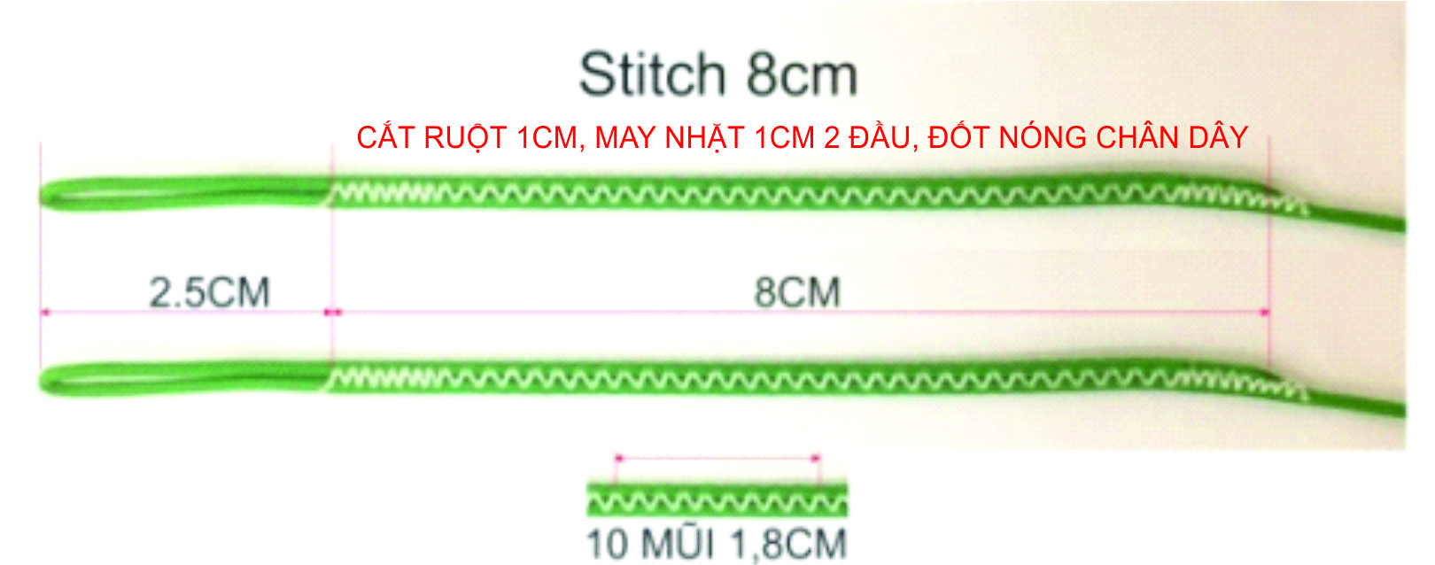
 |  |  |  | 9 | -13 | -13 | -8
 |  |  |  | 10 | -14 | -14 | -9
 |  |  |  | 11 | -14 | -14 | -9
 |  |  |  | 12 | -15 | -15 | -10
 |  |  |  | 13 | -3 | -5 | -7
 |  |  |  | 14 | -4 | -6 | -8
 |  |  |  |  |  |  |  |  |  |  | Yes Rob designed the wing so he should advise.
 |  |  |  |  | A | B | C | D | K
 |  |  |  |  |  |  |  |  |  |  | Phong, I think it is safe to change the line specs so that it reads A,B, C 14. That way it is in line with every other wing we produce and matches the rigging diagram.
 |  |  |  | 1 | 2988 | 2980 | 3088 | 3162 | 3569
 |  |  |  | 2 | 2937 | 2929 | 3036 | 3113 | 3376
 |  |  |  | 3 | 2918 | 2911 | 3018 | 3091 | 3264
 |  |  |  | 4 | 2932 | 2926 | 3023 | 3092 | 3187
 |  |  |  | 5 | 2919 | 2914 | 3013 |  | 3141
LIN-DSL-70-BLUE |  |  |  | 6 | 2886 | 2882 | 2972 |  | 3139
Name | No. | Sewn | Cut | 7 | 2882 | 2880 | 2965
B12 | 2 | 286 | 346 | 8 | 2911 | 2908 | 2984
B11 | 2 | 293 | 353 | 9 | 2886 | 2884 | 2963
B10 | 2 | 314 | 374 | 10 | 2859 | 2855 | 2928
B7 | 2 | 339 | 399 | 11 | 2839 | 2834 | 2900
B6 | 2 | 341 | 401 | 12 | 2834 | 2826 | 2885
B9 | 2 | 342 | 402 | 13 | 2764 | 2762 | 2836
B8 | 2 | 368 | 428 | 14 | 2707 | 2705 | 2780
B3 | 2 | 370 | 430
B5 | 2 | 372 | 432
B4 | 2 | 386 | 446
B2 | 2 | 388 | 448
B1 | 2 | 438 | 498
A14 | 2 | 851 | 911
B13 | 2 | 907 | 967

LIN-DSL-70-GREN
Name | No. | Sewn | Cut
C12 | 2 | 325 | 385
C11 | 2 | 339 | 399
C10 | 2 | 367 | 427
C9 | 2 | 401 | 461
C7 | 2 | 408 | 468
C6 | 2 | 415 | 475
C8 | 2 | 428 | 488
C5 | 2 | 455 | 515
C3 | 2 | 461 | 521
C4 | 2 | 467 | 527
C2 | 2 | 479 | 539
C1 | 2 | 530 | 590
D3 | 2 | 536 | 596
D4 | 2 | 538 | 598
D2 | 2 | 558 | 618
D1 | 2 | 606 | 666
CM5,6 | 4 | 650 | 710
B14 | 2 | 851 | 911
C14 | 2 | 928 | 988
C13 | 2 | 983 | 1043

LIN-DSL-70-RED
Name | No. | Sewn | Cut
A12 | 2 | 279 | 339
A11 | 2 | 283 | 343
A10 | 2 | 303 | 363
A7 | 2 | 326 | 386
A9 | 2 | 329 | 389
A6 | 2 | 330 | 390
A8 | 2 | 356 | 416
A3,A5 | 4 | 362 | 422
A4 | 2 | 377 | 437
A2 | 2 | 381 | 441
A1 | 2 | 431 | 491
A13 | 2 | 907 | 967

LIN-DSL-70-YELLO
Name | No. | Sewn | Cut
K6 | 2 | 526 | 586
K5 | 2 | 527 | 587
K4 | 2 | 573 | 633
K3 | 2 | 649 | 709
K2 | 2 | 681 | 741
K1 | 2 | 873 | 933
KM2,3 | 4 | 960 | 1020
KM1 | 2 | 1040 | 1100

LIN-DSL-140-BLUE
Name | No. | Sewn | Cut
BM1-6 | 12 | 650 | 710

LIN-DSL-140-GREE
Name | No. | Sewn | Cut
CM1-4 | 8 | 650 | 710

LIN-DSL-140-RED
Name | No. | Sewn | Cut
AM1-6 | 12 | 650 | 710

