Line details
Rapidos 6.5m production lines |  | 2018-08-18
Prototype
Export name

 |  |  |  |  | A | B | C | D | K

 |  |  |  | 1 | 2641 | 2632 | 2730 | 2800 | 3171
 |  |  |  | 2 | 2593 | 2585 | 2682 | 2756 | 2987
 |  |  |  | 3 | 2573 | 2566 | 2663 | 2734 | 2884
 |  |  |  | 4 | 2581 | 2575 | 2664 | 2731 | 2812
 |  |  |  | 5 | 2567 | 2561 | 2651 |  | 2771
 |  |  |  | 6 | 2538 | 2534 | 2617 |  | 2780
 |  |  |  | 7 | 2534 | 2531 | 2610
 |  |  |  | 8 | 2556 | 2554 | 2624
 |  |  |  | 9 | 2534 | 2531 | 2601
 |  |  |  | 10 | 2512 | 2507 | 2571
LIN-10-200-41 |  |  |  | 11 | 2494 | 2488 | 2545
Name | No. | Sewn | CUT | 12 | 2489 | 2481 | 2531
KR1 | 2 | 1733 | 1643 | 13 | 2420 | 2421 | 2489
Mark at 1500 |  |  |  | 14 |  | 2370 | 2371 | 2439

10 mui 1.8cm
Rapidos 6.5m production lines |  | 2018-08-18
Prototype |  |  |  |  | A | B | C | D | K
Export name
 |  |  |  | 1 | -13 | -13 | -12 | -14 | -14
 |  |  |  | 2 | -14 | -14 | -13 | -15 | -15
 |  |  |  | 3 | -14 | -14 | -13 | -15 | -15
 |  |  |  | 4 | -15 | -15 | -14 | -16 | -16
 |  |  |  | 5 | -13 | -13 | -12 |  | -16
 |  |  |  | 6 | -14 | -14 | -13 |  | -17
 |  |  |  | 7 | -14 | -14 | -13
 |  |  |  | 8 | -15 | -15 | -14
 |  |  |  | 9 | -13 | -13 | -8
 |  |  |  | 10 | -14 | -14 | -9
 |  |  |  | 11 | -14 | -14 | -9
LIN-6843-160-05 |  |  |  | 12 | -15 | -15 | -10
Name | No. | Sewn | Cut | 13 | -3 | -5 | -7
BR4 | 2 | 1600 | 1695 | 14 | -4 | -6 | -8

LIN-6843-160-6 |  |  |  |  | A | B | C | D | K
Name | No. | Sewn | Cut
CR1-3 | 6 | 1600 | 1695 | 1 | 2628 | 2619 | 2718 | 2786 | 3157
 |  |  |  | 2 | 2579 | 2571 | 2669 | 2741 | 2972
LIN-6843-200-05 |  |  |  | 3 | 2559 | 2552 | 2650 | 2719 | 2869
Name | No. | Sewn | Cut | 4 | 2566 | 2560 | 2650 | 2715 | 2796
BR1-3 | 6 | 1585 | 1680 | 5 | 2554 | 2548 | 2639 |  | 2755
 |  |  |  | 6 | 2524 | 2520 | 2604 |  | 2763
LIN-6843-240-18 |  |  |  | 7 | 2520 | 2517 | 2597 |  | 0
Name | No. | Sewn | Cut | 8 | 2541 | 2539 | 2610
AR1-3 | 6 | 1600 | 1695 | 9 | 2521 | 2518 | 2593
 |  |  |  | 10 | 2498 | 2493 | 2562
Rapidos 6.5m production lines |  | 2018-08-18 |  | 11 | 2480 | 2474 | 2536
Prototype |  |  |  | 12 | 2474 | 2466 | 2521
Export name |  |  |  | 13 | 2417 | 2416 | 2482
 |  |  |  | 14 | -4 | 2364 | 2363 | 2439
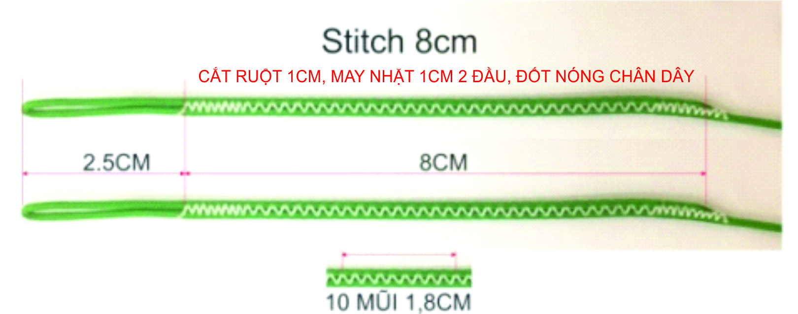

LIN-DSL-70-BLUE
Name | No. | Sewn | Cut
B12 | 2 | 296 | 356
B11 | 2 | 303 | 363
B10 | 2 | 322 | 382
B7,B9 | 4 | 346 | 406
B6 | 2 | 349 | 409
B8 | 2 | 369 | 429
B5 | 2 | 376 | 436
B3 | 2 | 381 | 441
B4 | 2 | 390 | 450
B2 | 2 | 400 | 460
B1 | 2 | 447 | 507
B14 | 2 | 770 | 830
B13 | 2 | 821 | 881

LIN-DSL-70-GREN
Name | No. | Sewn | Cut
C12 | 2 | 331 | 391
C11 | 2 | 345 | 405
C10 | 2 | 371 | 431
C9 | 2 | 401 | 461
C7 | 2 | 410 | 470
C6 | 2 | 417 | 477
C8 | 2 | 424 | 484
C5 | 2 | 451 | 511
C3 | 2 | 463 | 523
C4 | 2 | 464 | 524
C2 | 2 | 482 | 542
C1 | 2 | 530 | 590
D4 | 2 | 531 | 591
D3 | 2 | 534 | 594
D2 | 2 | 556 | 616
CM5,CM6,D1 | 6 | 600 | 660
C14 | 2 | 771 | 831
C13 | 2 | 889 | 949
D14 | 2 | 839 | 899

LIN-DSL-70-RED
Name | No. | Sewn | Cut
A12 | 2 | 289 | 349
A11 | 2 | 294 | 354
A10 | 2 | 312 | 372
A7,A9 | 4 | 334 | 394
A6 | 2 | 338 | 398
A8 | 2 | 356 | 416
A5 | 2 | 367 | 427
A3 | 2 | 373 | 433
A4 | 2 | 381 | 441
A2 | 2 | 393 | 453
A1 | 2 | 441 | 501
A13 | 2 | 820 | 880

LIN-DSL-70-YELLO
Name | No. | Sewn | Cut
K5 | 2 | 406 | 466
K6 | 2 | 415 | 475
K4 | 2 | 447 | 507
K3 | 2 | 519 | 579
K2 | 2 | 550 | 610
K1 | 2 | 734 | 794
KM2,KM3 | 4 | 865 | 925
KM1 | 2 | 937 | 997

LIN-DSL-140-BLUE
Name | No. | Sewn | Cut
BM1-6 | 12 | 600 | 660

LIN-DSL-140-GREE
Name | No. | Sewn | Cut
CM1-4 | 8 | 600 | 660

LIN-DSL-140-RED
Name | No. | Sewn | Cut
AM1-6 | 12 | 600 | 660

