Line details
Rapidos 15m production lines |  | 2018-02-06
 |  |  |  | LIN-10-200-41 | M | 0.2424 | EURO
 |  |  |  | LIN-6843-160-05 | M | 0.1528 | EURO
 |  |  |  | LIN-6843-160-6 | M | 0.1528 | EURO
 |  |  |  | LIN-6843-200-05 | M | 0.2064 | EURO
 |  |  |  | LIN-6843-240-18 | M | 0.2064 | EURO
 |  |  |  | LIN-DSL-70-BLUE | M | 0.1179 | EURO
 |  |  |  | LIN-DSL-70-GREN | M | 0.1179 | EURO
 |  |  |  | LIN-DSL-70-RED | M | 0.1179 | EURO
 |  |  |  | LIN-DSL-70-YELLO | M | 0.1179 | EURO
 |  |  |  | LIN-DSL-140-BLUE | M | 0.1297 | EURO
 |  |  |  | LIN-DSL-140-GREE | M | 0.1297 | EURO
 |  |  |  | LIN-DSL-140-RED | M | 0.1297 | EURO
LIN-10-200-41
Name | No. | Sewn | CUT
KR1 | 2 | 2500 | 2410
Mark at: 2250

Rapidos 15m production lines |  | 2018-02-06
10 mui 1.8cm

LIN-6843-160-05
Name | No. | Sewn | Cut
BR4 | 2 | 2590 | 2685

LIN-6843-160-6
Name | No. | Sewn | Cut
CR1-3 | 6 | 2820 | 2915

LIN-6843-200-05
Name | No. | Sewn | Cut
BR1-3 | 6 | 2805 | 2900

LIN-6843-240-18
Name | No. | Sewn | Cut
AR1-3 | 6 | 2820 | 2915

Rapidos 15m production lines |  | 2018-02-06
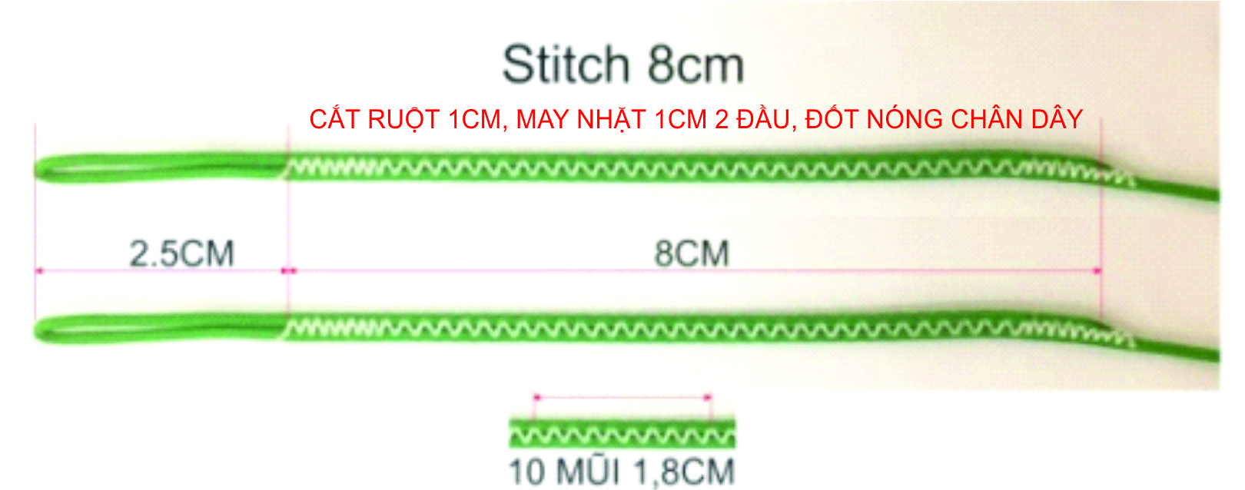

LIN-DSL-70-BLUE
Name | No. | Sewn | Cut
B12 | 2 | 429 | 489
B11 | 2 | 442 | 502
B10 | 2 | 471 | 531
B6 | 2 | 496 | 556
B7 | 2 | 497 | 557
B9 | 2 | 506 | 566
B3 | 2 | 514 | 574
B2 | 2 | 529 | 589
B5 | 2 | 531 | 591
B8 | 2 | 540 | 600
B4 | 2 | 543 | 603
B1 | 2 | 587 | 647
A14 | 2 | 1396 | 1456
B13 | 2 | 1478 | 1538

LIN-DSL-70-GREN
Name | No. | Sewn | Cut
C12 | 2 | 483 | 543
C11 | 2 | 504 | 564
C10 | 2 | 543 | 603
C9 | 2 | 588 | 648
C7 | 2 | 593 | 653
C6 | 2 | 597 | 657
C8 | 2 | 622 | 682
C3 | 2 | 639 | 699
C5 | 2 | 645 | 705
C2 | 2 | 654 | 714
C4 | 2 | 655 | 715 |  |  |  |  |  | A | B | C | D | K
C1 | 2 | 714 | 774
D3 | 2 | 734 | 794 |  |  |  |  | 1 | 4337 | 4332 | 4474 | 4571 | 5067
D4 | 2 | 743 | 803 |  |  |  |  | 2 | 4279 | 4274 | 4414 | 4515 | 4840
D2 | 2 | 755 | 815 |  |  |  |  | 3 | 4263 | 4259 | 4399 | 4494 | 4701
D1 | 2 | 811 | 871 |  |  |  |  | 4 | 4291 | 4288 | 4415 | 4503 | 4606
CM5,6 | 4 | 940 | 1000 |  |  |  |  | 5 | 4278 | 4276 | 4405 |  | 4542
B14 | 2 | 1398 | 1458 |  |  |  |  | 6 | 4241 | 4241 | 4357 |  | 4513
C13 | 2 | 1571 | 1631 |  |  |  |  | 7 | 4240 | 4242 | 4353
C14 | 2 | 1489 | 1549 |  |  |  |  | 8 | 4282 | 4285 | 4382
 |  |  |  |  |  |  |  | 9 | 4249 | 4251 | 4348
LIN-DSL-70-RED |  |  |  |  |  |  |  | 10 | 4215 | 4216 | 4303
Name | No. | Sewn | Cut |  |  |  |  | 11 | 4188 | 4187 | 4264
A12 | 2 | 419 | 479 |  |  |  |  | 12 | 4179 | 4174 | 4243
A11 | 2 | 428 | 488 |  |  |  |  | 13 | 4064 | 4068 | 4161
A10 | 2 | 455 | 515 |  |  |  |  | 14 | 3986 | 3988 | 4079
A7 | 2 | 480 | 540
A6 | 2 | 481 | 541 |  |  |  |  |  | A | B | C | D | K
A9 | 2 | 489 | 549
A3 | 2 | 503 | 563 |  |  |  |  | 1 | -13 | -13 | -12 | -14 | -14
A5 | 2 | 518 | 578 |  |  |  |  | 2 | -14 | -14 | -13 | -15 | -15
A2 | 2 | 519 | 579 |  |  |  |  | 3 | -14 | -14 | -13 | -15 | -15
A8 | 2 | 522 | 582 |  |  |  |  | 4 | -15 | -15 | -14 | -16 | -16
A4 | 2 | 531 | 591 |  |  |  |  | 5 | -13 | -13 | -12 |  | -16
A1 | 2 | 577 | 637 |  |  |  |  | 6 | -14 | -14 | -13 |  | -17
A13 | 2 | 1474 | 1534 |  |  |  |  | 7 | -14 | -14 | -13
 |  |  |  |  |  |  |  | 8 | -15 | -15 | -14
LIN-DSL-70-YELLO |  |  |  |  |  |  |  | 9 | -13 | -13 | -8
Name | No. | Sewn | Cut |  |  |  |  | 10 | -14 | -14 | -9
K6 | 2 | 953 | 1013 |  |  |  |  | 11 | -14 | -14 | -9
K5 | 2 | 982 | 1042 |  |  |  |  | 12 | -15 | -15 | -10
K4 | 2 | 1046 | 1106 |  |  |  |  | 13 | -3 | -5 | -7
K3 | 2 | 1141 | 1201 |  |  |  |  | 14 | -4 | -6 | -8
K2 | 2 | 1160 | 1220
KM2,3 | 4 | 1310 | 1370
K1 | 2 | 1387 | 1447 |  |  |  |  |  | A | B | C | D | K
KM1 | 2 | 1430 | 1490
 |  |  |  |  |  |  |  | 1 | 4324 | 4319 | 4462 | 4557 | 5053
 |  |  |  |  |  |  |  | 2 | 4265 | 4260 | 4401 | 4500 | 4825
LIN-DSL-140-BLUE |  |  |  |  |  |  |  | 3 | 4249 | 4245 | 4386 | 4479 | 4686
Name | No. | Sewn | Cut |  |  |  |  | 4 | 4276 | 4273 | 4401 | 4487 | 4590
BM1-6 | 12 | 940 | 1000 |  |  |  |  | 5 | 4265 | 4263 | 4393 |  | 4526
 |  |  |  |  |  |  |  | 6 | 4227 | 4227 | 4344 |  | 4496
LIN-DSL-140-GREE |  |  |  |  |  |  |  | 7 | 4226 | 4228 | 4340
Name | No. | Sewn | Cut |  |  |  |  | 8 | 4267 | 4270 | 4368
CM1-4 | 8 | 940 | 1000 |  |  |  |  | 9 | 4236 | 4238 | 4340
 |  |  |  |  |  |  |  | 10 | 4201 | 4202 | 4294
LIN-DSL-140-RED |  |  |  |  |  |  |  | 11 | 4174 | 4173 | 4255
Name | No. | Sewn | Cut |  |  |  |  | 12 | 4164 | 4159 | 4233
AM1-6 | 12 | 940 | 1000 |  |  |  |  | 13 | 4061 | 4063 | 4154
 |  |  |  |  |  |  |  | 14 | 3982 | 3982 | 4071

