P605
Shenzhen Yushang Electronics Technology Co., Ltd
F4, Block A2, Tianrui Industrial Zone, Fuyuan 1st Road, Fuyong Street, Baoan District, Shenzhen, CN Tel: Xie Liangchen: +86 13715184988
Multifunction Portable Power Supply
Product Data Sheet Beta*
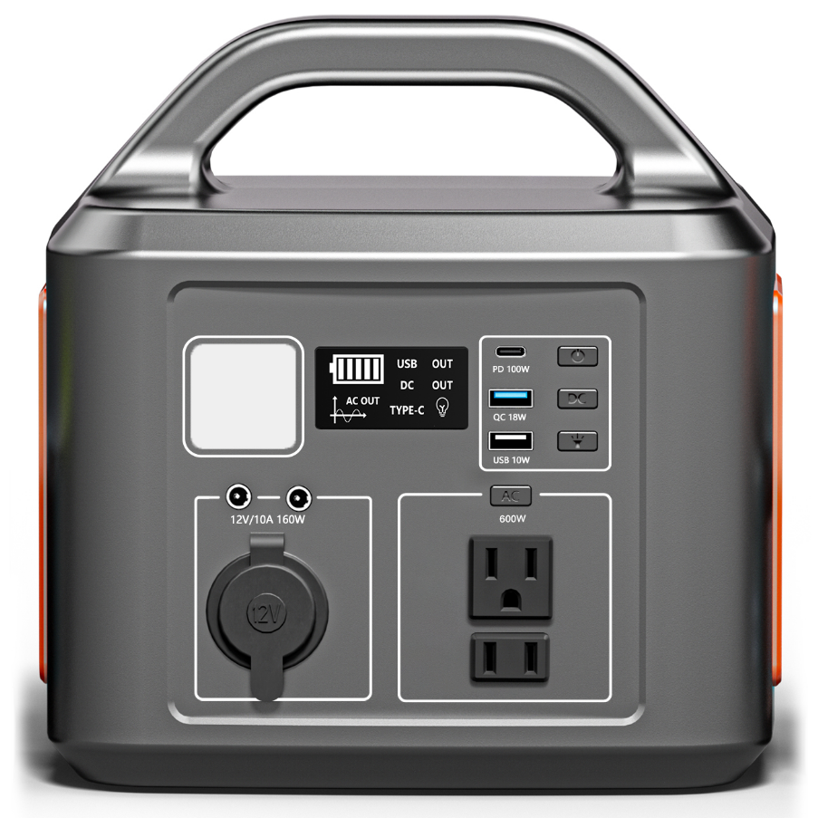 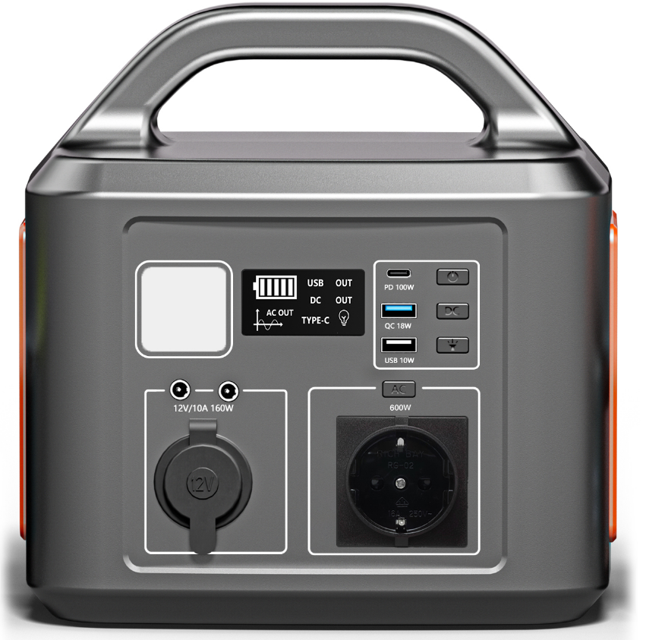 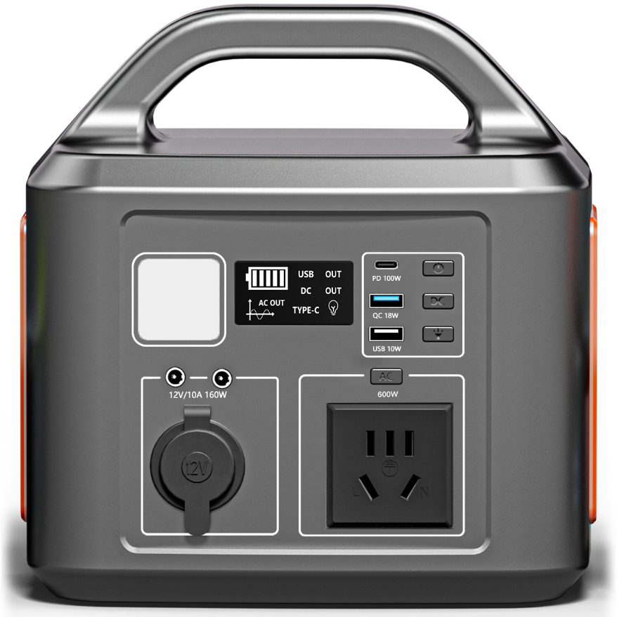

 |  |  |  |  | Quotation Date: | 2024-01-04
Product Specifications |  | OfferSheet
Built-in Battery | 538.7Wh,36.4Ah/14.8V(equivalent 145600mAh,3.7V) High Quality Lithium ion Batteries | Product Type |  | Portable Power Supply
Input Charging | Adapter: DC 15V/6A 90W | Model Number |  | P605
Solar Panel Input | DC 11V-25V⎓6A | Price(USD)
Fully Charged Time | Adapter:about 7Hours | MOQ
DC Output | AC output(1Ports)：600W | Delivery
 | USB Output(1Ports)： 5V⎓2A | Payment terms
 | QC3.0 Output(1Ports)：5V⎓3A，9V⎓2A, 12V⎓1.5A | PACKING
 | TYPE-C Output(1Ports)：5V/9V/12V/15V⎓3A, 20V⎓5A (MAX) PD 100W |  |  | UNIT | GIFT BOX | EXP CARTON
 | DC output(2Ports)：12V-16.8V⎓10A 160W MAX Φ5.5mm |  | Length (MM) | 226.00 | 276.00 | 515.00
 | Car Charger (1Ports)：12V-16.8V⎓10A 160W MAX |  | Width (MM) | 171.00 | 246.00 | 290.00
AC Continous Output | 600W |  | Height (MM) | 231.00 | 270.00 | 300.00
AC Peak Output | 1200W |  | Weight (KG) | 4.50 | 5.60 | 12.20
Frequency Waveform | 50-60Hz PURE SINE WAVE |  | Volume (CBM)
Light Panel | 1 x Ultra Bright LED Flashlight | Units per Export Carton |  | 2PCS
Work temperature | 32°F-113°F | Selling points: YUSHANG new 5 in 1 Multifunction Portable Power Station. Awesome Tough Design housing, Built in AC Output, DC12V Output, Car port, USB QuickCharge output, USB C PD 100W output. Built in Lithium Ion batteries, Capacity is up to 145600mAh, Which is Powerful but lightweight to carry.Support charging with solar panel.Best mate and gear for powerfailure, outdoors businesses, night market, when you're off grid. Key Features: 1.Ultra compact design 2.Built in High Power Density Lithium Ion Batteries; 3.Up to 538.7Wh,14.8V(equivalent: 145600mAh,3.7V)Battery power; 3.AC Pure Sine Wave output; 4.Up to 600W AC continuous output; 5.Supprt 12V carport output ,Up to 160W Peak power for car kits, Lamps, fans,etc., 6.Support 1 x USB 5V⎓2A Output, for Smart phones, tablets,etc., 7.Support 1 x USB 5V⎓3A,9V⎓2A, 12V⎓1.5A, 18W Quickcharge Output for Smart devices, laptops, etc. 8.Support 1 x USB C PD 100W output for Smart devices,such as phones and tablets, etc. 9.Protection including: Shortcircuit,Overload,Over temperature proof etc., Applications: 1.Back up power source during power failure; 2.Back up power source for Smart devices; 3.For camping, go Outdoor Photography, go fishing, hiking, etc., 4.For tool charging; 5.For laptops, small LED TVs, mini fridges 6.Mobile stalls, night markets., Fumeless, Noiseless! Wherever you need power!
Storage temperature | 32°F-113°F
Lifecycle | >5000 times
MultiSafety Protections | a.Short-circuit protection b.Over-current protection c.Over-voltage protection d.Low-voltage protection e.Over-load Protection f.Over-temperature protection

Package include
1 x Portable Power Supply 1 x power adapter 1 x Car Charger 1 x User Manual

*This datasheet is beta version, for reference only. Specification may change, please base on the acutual product. |  |  |  |  | Yu shang-SDQUF-V1.0

