Cover
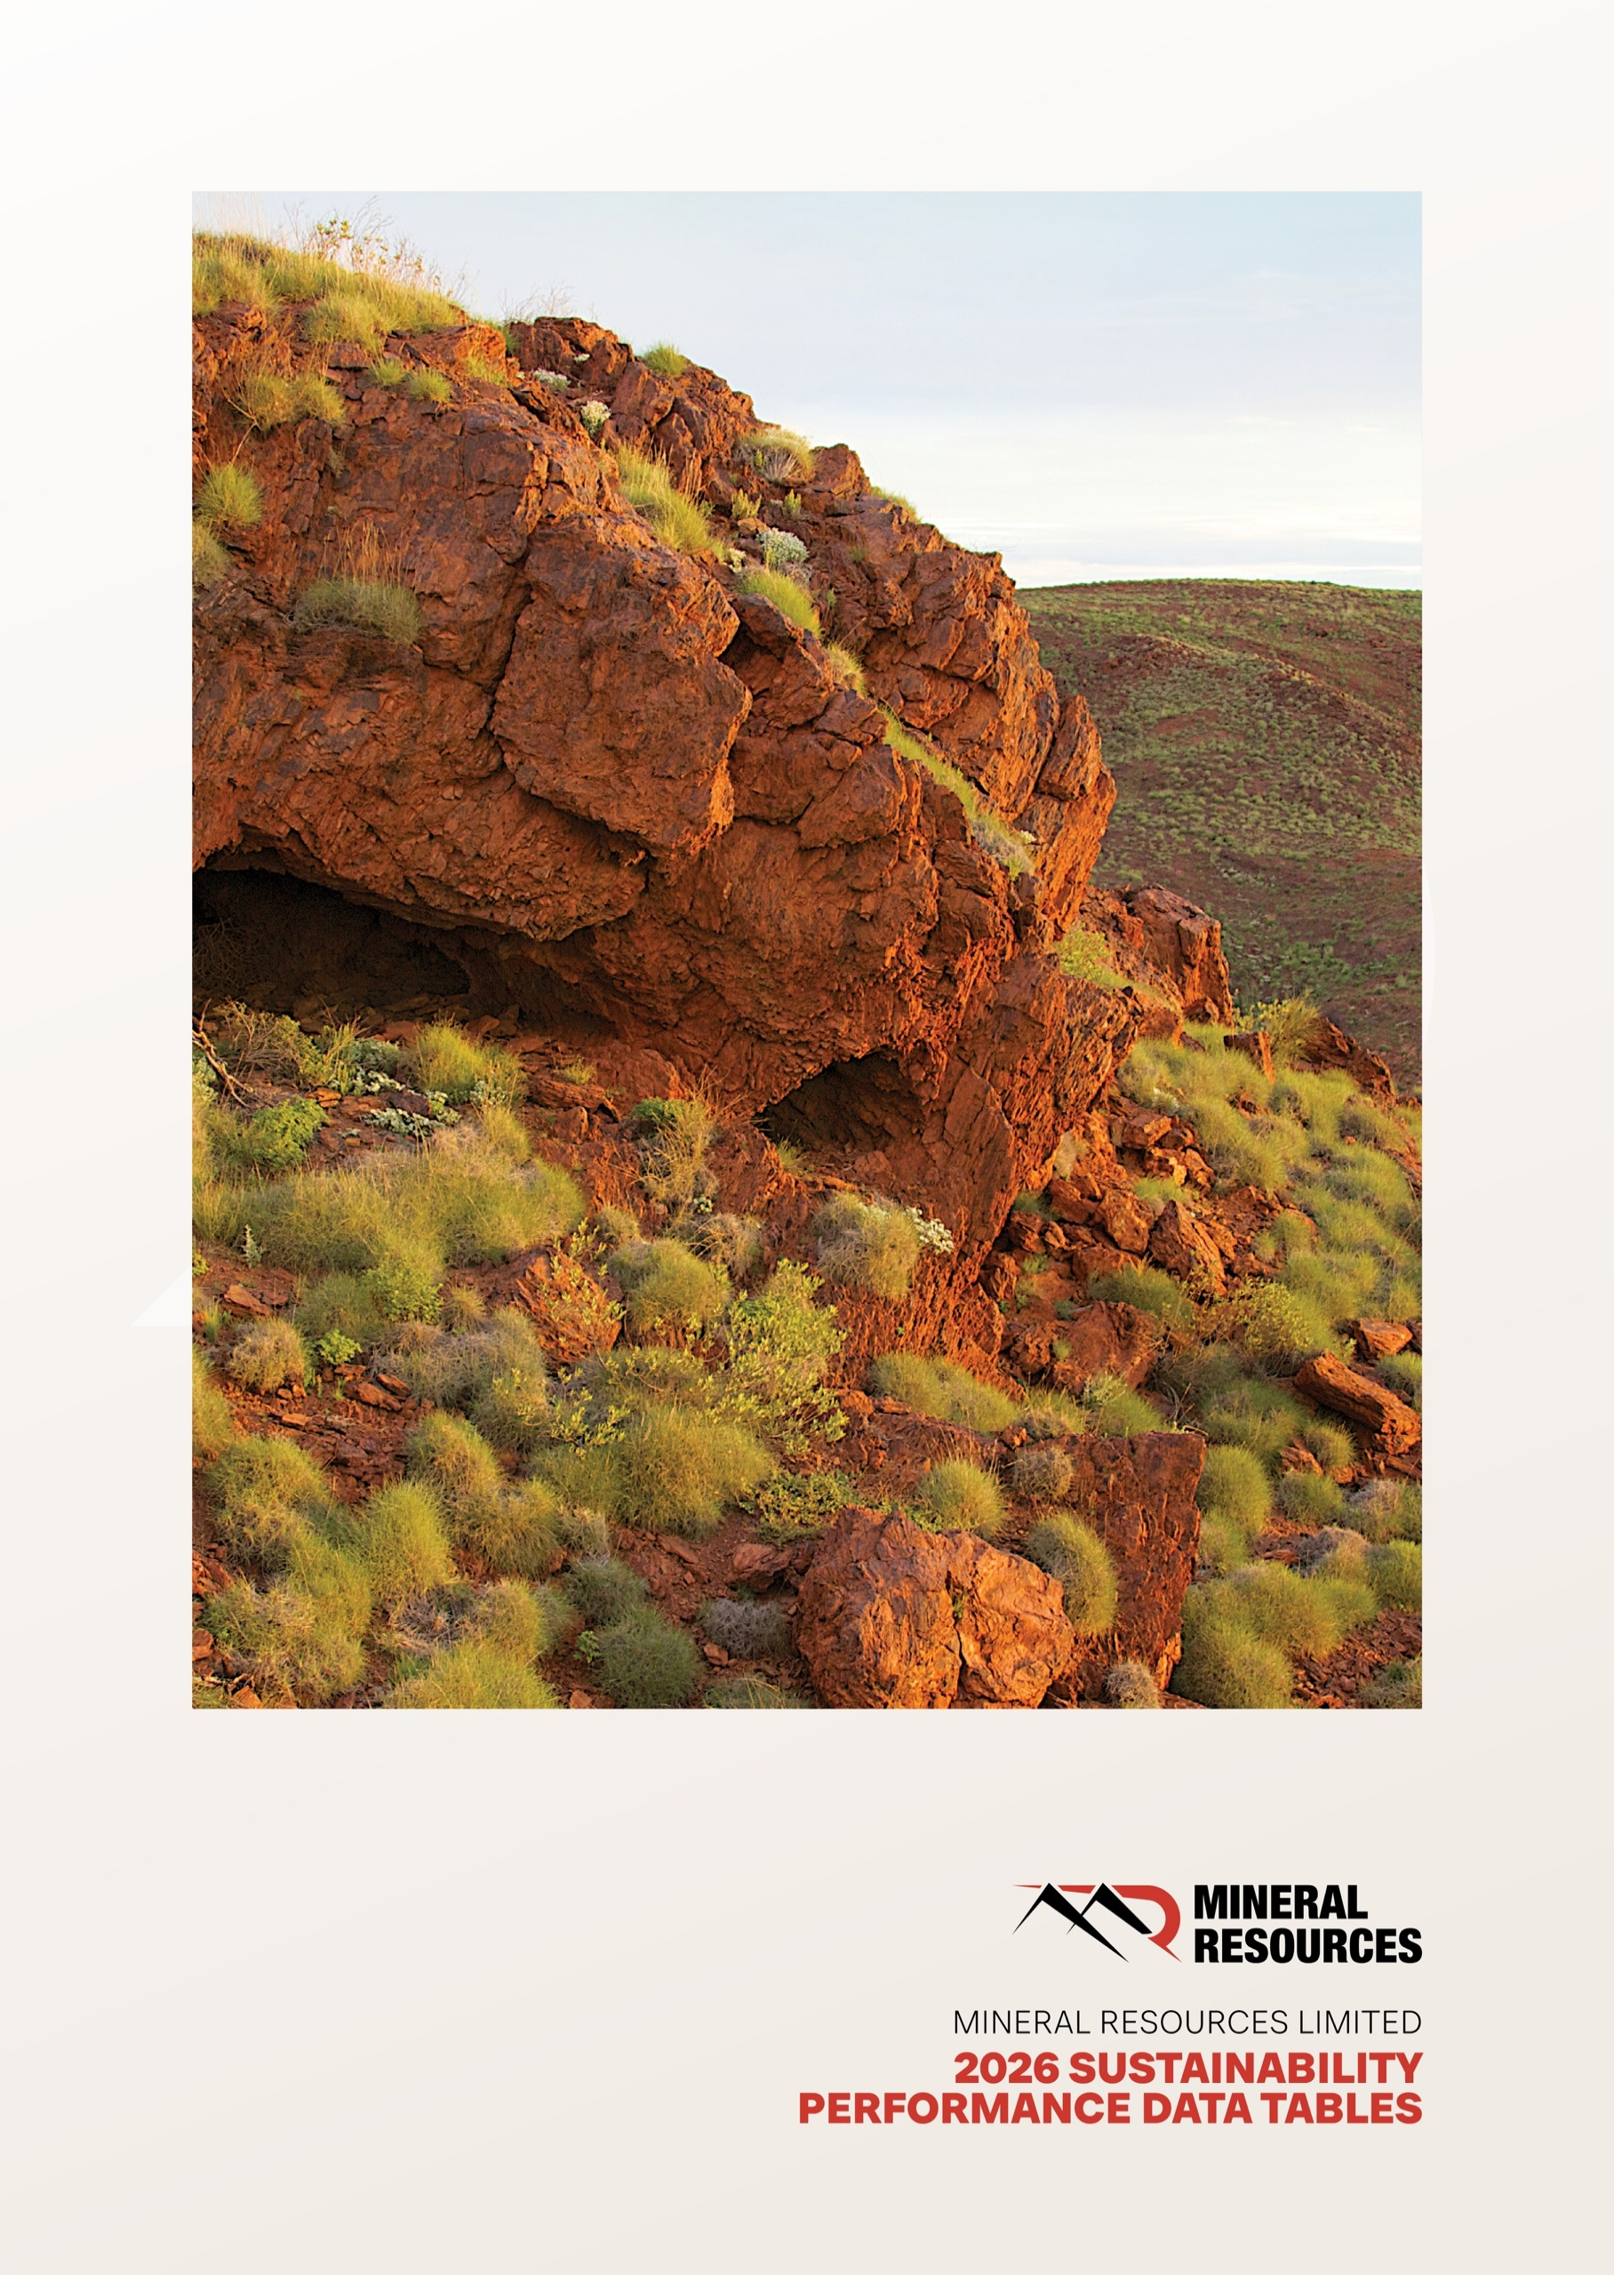

About
 |  |  | Sustainability Performance Tables 2026
 |  |  | CONTENTS

ABOUT THIS DATABOOK

This databook discloses Mineral Resources Limited's sustainability performance data for the financial year ending 30 June 2026.
This databook is to be read in conjunction with the 2026 Annual Report. The scope of this databook is to consolidate sustainability reporting metrics for operations managed/owned by Mineral Resources Limited (MinRes). All references to ‘MinRes’, ‘the Company’, ‘the Group’, ‘we’, ‘us’ and ‘our’ refer to Mineral Resources Limited (ABN 33 118 549 910) and the entities it controlled, unless otherwise stated. All dollar figures are expressed in Australian dollars (AUD) unless otherwise stated.
For management approach disclosures, performance measures and additional context, please refer to our 2026 Annual Report and website at https://www.mineralresources.com.au/
We welcome questions and feedback regarding our sustainability performance and any sustainability-related disclosures. Please direct your enquiries to investorrelations@mrl.com.au.

REPORTING BOUNDARIES

The sustainability reporting boundaries cover functions and assets that generate significant sustainability impacts (actual and potential) and/or all entities where MinRes exercises operational control through the implementation of operational, health and safety and environmental policies. This includes exploration activity projects in development or execution phases, sites and operations under care and maintenance that are wholly owned and/or operated by MinRes or that are owned as a joint venture operated by MinRes (referred to as ‘operations’ or ‘assets’). MinRes also holds interests in assets that are owned as a joint venture but not operated by MinRes (referred to as ‘non-operated joint ventures’). Non-operated joint ventures are not included in MinRes’ reporting unless stated otherwise.

IMPORTANT NOTICE

MinRes engaged an independent, external assurance provider Ernst & Young (EY) to provide limited assurance over nine of our sustainability performance metrics. Refer to the 2026 Annual Report for the Independent Limited Assurance Statement.
When used herein, the words “anticipate”, “believe”, “could”, “estimate”, “expect”, “going forward”, “intend”, “may”, “plan”, “project”, “seek”, “should”, “will”, “would” and similar expressions, as they relate to the Company, are intended to identify forward looking statements. The forward looking statements are based upon certain assumptions and information available to the Company as at the date of this document. These assumptions may prove to be incorrect.
Forward looking statements are not a guarantee of future performance as they involve risk, uncertainty and other factors, which are beyond the Company’s control and may cause results to be different from statements in this document. The Company cautions against undue reliance on any forward looking statements. This document does not purport to be all inclusive or to contain all information which its recipients may require to make an informed assessment of the Company’s sustainability performance.
To the fullest extent permitted by law, MinRes, its affiliates and their respective officers, directors, employees and agents, accept no responsibility for any information provided in this document, including any forward looking statements, and disclaim any liability whatsoever (including for negligence) for any loss howsoever arising from any use of this document or reliance on anything contained in or omitted from it or otherwise arising in connection with this databook. In addition, MinRes accepts no responsibility to update any person regarding any inaccuracy, omission or change in information, the Company’s expectations in this document or any other information made available to a person, nor any obligation to furnish the person with any further information.
This databook should not be relied upon as a recommendation by, or advice from, MinRes to deal in its securities. This document should be read in conjunction with other MinRes periodic and continuous disclosure announcements lodged with the Australian Securities Exchange (ASX).

REPORTING FRAMEWORKS

Our Sustainability Performance Tables have been prepared in accordance with the Global Reporting Initiative (GRI) Mining Sector Standard (GRI 14) and the UN Global Compact Ten Principles. Content indexes can be found at the back of this workbook.

 | This Sustainability Report has been prepared in accordance with Global Reporting Initiative (GRI) Universal Standards 2021 and the GRI 14 Mining and Metals Sector Standard, which covers key sustainability indicators that are specific to the sector.

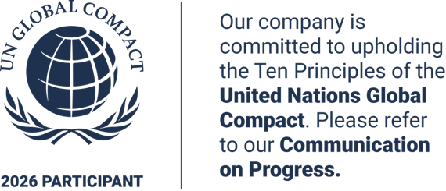

 |  | As a signatory to the United Nations (UN) Global Compact, MinRes is committed to upholding its Ten Principles covering areas of human rights, labour, environment and anti-corruption. This report outlines our ongoing commitment and performance towards the principles and how they are integrated into our business strategy, culture and daily operations.

ESG Ratings
 |  |  |  |  |  |  |  |  | Sustainability Performance Tables 2026
 |  |  |  |  |  |  |  |  | CONTENTS

OUR ESG RATINGS PERFORMANCE
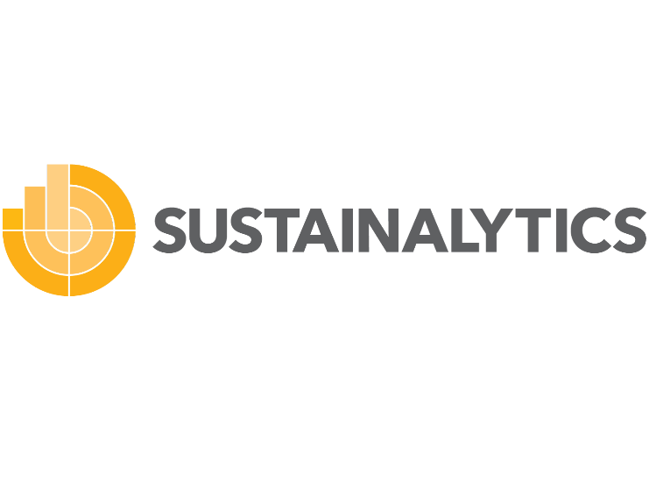

MinRes continues to engage with several ESG ratings organisations who assess and rank our environmental, social and governance (ESG) performance.
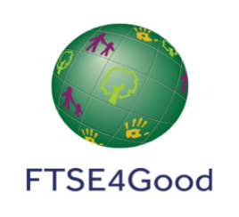

MinRes received an MSCI ESG Rating of A. | MinRes received a score of 25.9 and was assessed by Mornigstar Sustainalytics to be medium risk of experiencing material financial impacts from ESG factors. |  |  | MinRes received a score of ISS ESG Rating of C+ and a corporate rating performance score of 44.82. |  | MinRes received a FTSE4Good ESG score of 4.0.

Table 1: Comparative ESG Ratings
ESG RATING PROVIDER |  | MAXIMUM SCORE | FY26 SCORE |  | FY25 SCORE |  | FY24 SCORE | TREND SINCE FY25
MSCI |  | AAA | A |  | A |  | AA | Maintained
SUSTAINALYTICS |  | Negligible | Medium Risk |  | Medium Risk |  | Medium Risk | Maintained
ISS ESG |  | A+ | C+ |  | C+ |  | C | Maintained
FTSE4Good |  | 5 | 4 |  | 4 |  | 3.8 | Maintained

