Questionnaire
Please provide answers to the following Questionnaire:

Question 1 | Please mention your Company's name?

Question 2 | If desired, what is the custom marker description or part number for future reference? (Limit to 20 alphanumeric characters (ex. Keco Panel 2 or U746)

Question 3 | Please select Marker size

Question 4 | Total how many terminal block markers do you need to print (including blanks)? Must be in a multiple of 100

Question 5 | What is the required Orientation and Rotation for the marker? (Please see the example below.)

 |  |  |  | Below picture is an example ONLY.
 | Option | Orientation | Rotation
 | A | Horizontal | No rotation | A | 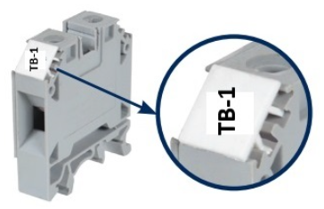
 | B | Vertical | No rotation (tilt right to read) | B | 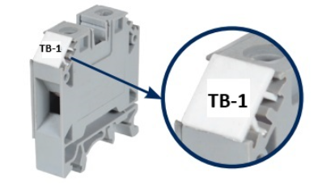

Question 6 | Single or Double Line Text?
 | Below picture is an example ONLY.
 | Double Line Text

Question 7 | What type of text format is needed?

 | Below picture is an example ONLY.
 | UPPERCASE

 | lowercase

 | First Letter Capitalized

 | Numbers/Symbols/Mix

 | Click Here | Other Marker

