Questionnaire
Please provide answers to the following Questionnaire:

Question 1 | Please mention your Company's name?

Question 2 | If desired, what is the custom marker description or part number for future reference? (Limit to 20 alphanumeric characters (ex. Keco Panel 2 or U746)

Question 3 | Choose the terminal block

Question 4 | Total how many terminal block markers do you need to print (including blanks)? Must be in a multiple of 100

Question 5 | What is the required Orientation and Rotation for the marker? (Please see the example below.)

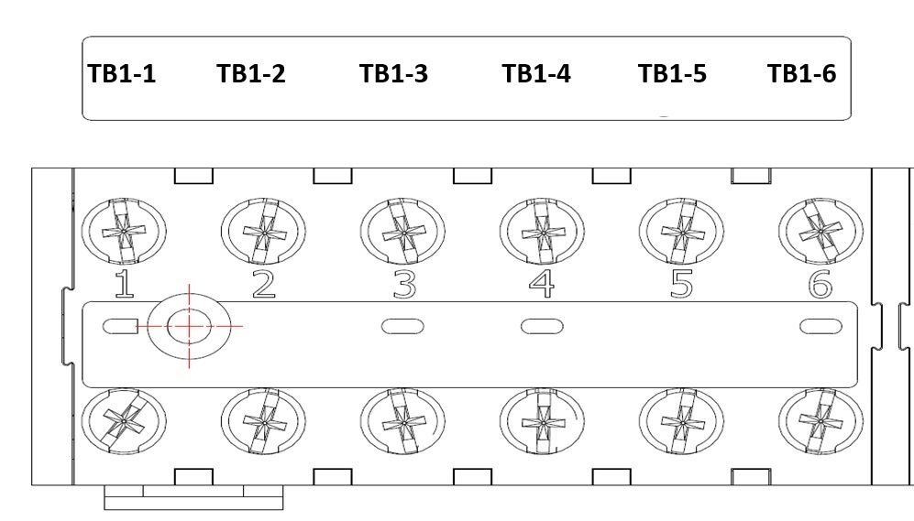
 | Option | Orientation | Rotation |  | Below picture is an example ONLY.
 | A | Horizontal | No rotation | A

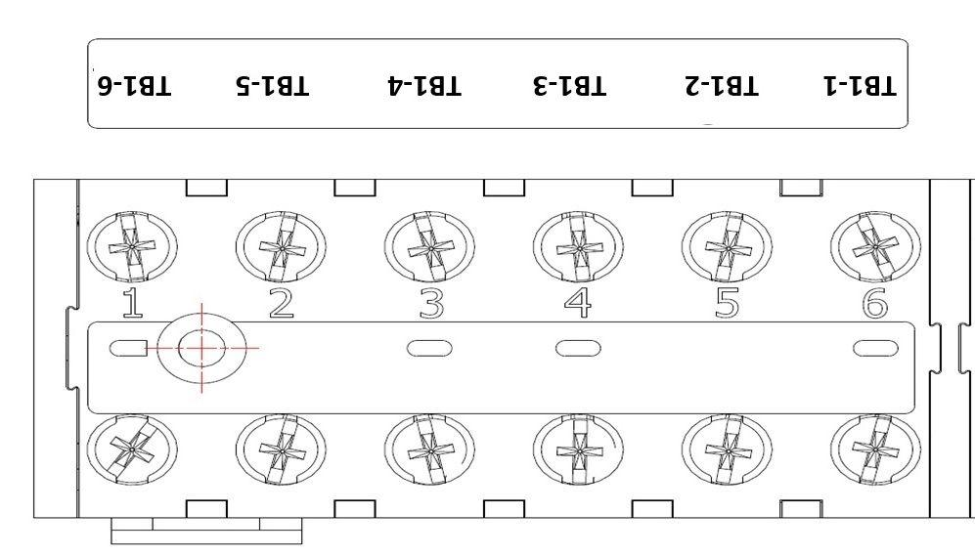
 | B | Horizontal | Rotate 180 (text upside down on plotter) | B

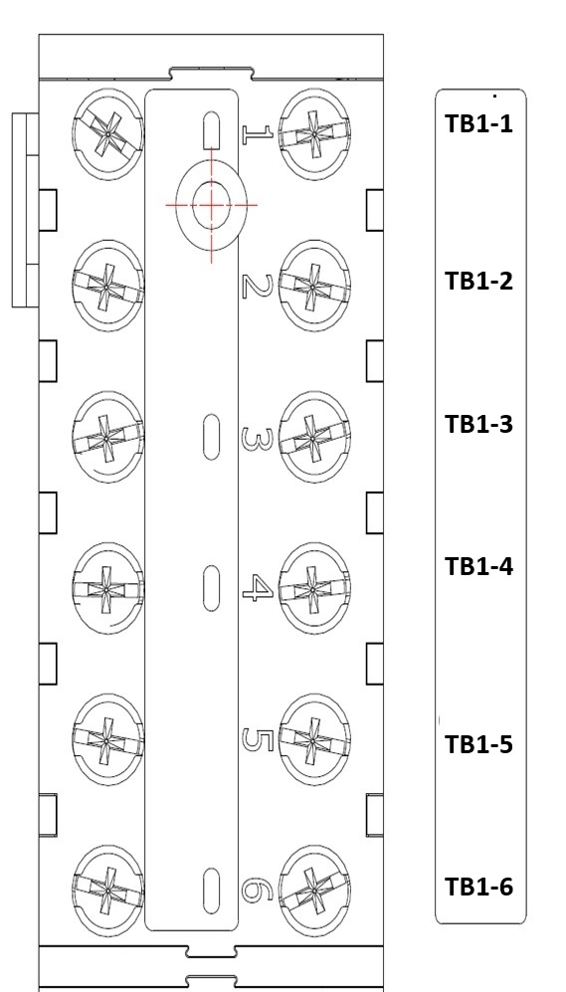
 | C | Vertical | No rotation (tilt right to read) | C

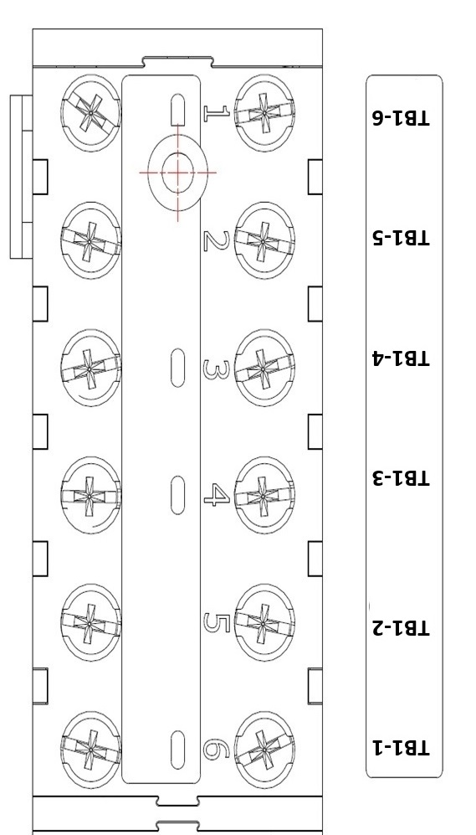
 | D | Vertical | Rotate 180 (tilt right to read) | D

Question 6 | Single or Double Line Text?
 | Below picture is an example ONLY. |  | Max. Characters
 | Double Line Text |  | Text up to 2 lines and Max 5 characters each

Question 7 | What type of text format is needed?

 | Below picture is an example ONLY. |  | Max. Characters

 | UPPERCASE |  | Max 5 characters per marker

 | lowercase |  | Max 5 characters per marker

 | First Letter Capitalized |  | Max 5 characters per marker

 | Numbers/Symbols/Mix |  | Max 5 characters per marker

 | Click Here | Select a valid option

