Content
Simplify work life.
Achieve more.
 | Historical Figures and APMs

Financial results and key figures
Profit and loss
Balance sheet
Cash flow - quarterly figures
Alternative performance measures

Markets
Segment

Other
Glossary
Contact info

Remarks
vyble GmbH was held for sale in 2022 and 2023. In 2024 it has been continued in the Group. The historical figures for 2022 and 2023 are not reclassified in this table.

Contact info
Contact info
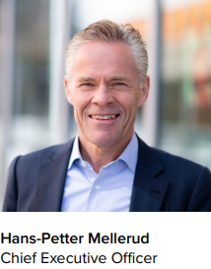


Cell:+47 928 97 276 | Cell:+47 951 79 190
hans-petter.mellerud@zalaris.com | gunnar.manum@zalaris.com

General IR inquiries
ir@zalaris.com

